Formulas
~
`
Weight / M ? | 140 | ~ ` |  |  |  |  | % | FOB | C&F |  | Conversions
 |  |  |  |  |  |  | 1 | $0.2644 | $0.003 |  | Metric | US
Length (inches) ? | 66.00 |  | PRICE | USD |  | TL Cx | 2 | $0.2670 | $0.005 | cm | 200 | 78.74 | inches
Per pound price | $0.340 |  |  |  |  |  | 3 | $0.2697 | $0.008
Freight ? |  |  |  | $0.262 | Cntr cost | $14,805 | 4 | $0.2723 | $0.010 |  | US | Metric
 |  |  | Freight = | $(0.262) | Per unit freight cost |  | 5 | $0.2749 | $0.013 | inches | 0.185 | 0.47 | cm
Qty per 40' cntr = | 56,299 |  | C&F = |  | Incl. freight | $- | 6 | $0.2775 | $0.016
# of plts ? | 17 |  | Load | Qty ? | 74,426 |  | 7 | $0.2801 | $0.018 |  | Order Information
 |  |  | Info | TL's | 1.32 |  | 8 | $0.2827 | $0.021 | Px | $0.262 | each
Pieces / skid = | 3,311.69 |  | Round | TL's | 2.00 |  | 9 | $0.2854 | $0.024 | Qty | 74,426 | pcs
# of plts ? | 18 |  | Round QTY |  | 112,597 |  | 10 | $0.2880 | $0.026 | $ Amt | $19,485 | Net
 |  |  | Net Wt. | Gros Wt. |  |  | 11 | $0.2906 | $0.029 | $ Amt | $- | Gross
Pieces / skid = | 3,127.71 |  | 43,350 | 44,370 |  |  | 12 | $0.2932 | $0.031
Mixed/combination loads |  |  |  |  |  |  | 13 | $0.2958 | $0.034
Weight A |  |  | Weight B |  |  |  | 14 | $0.2985 | $0.037
Wt/M ? | 140 |  | Wt/M ? | 140 |  |  | 15 | $0.3011 | $0.039
Length ? | 72 |  | Length ? | 66
Qty ? | 12,144 |  | Qty ? | 43,056 |  |  |  |  |  |  | Weights
Net = | 10,200.96 | Lbs | Net = | 33,153.12 | Lbs | 43,354 | (A+B) |  | per piece |  | 0.770 | Lbs
 |  |  |  |  |  |  |  |  | per 1000 |  | 770.000 | Lbs
Weight C |  |  | Weight D
Wt/M ? | 190 |  | Wt/M ? | 190 |  |  |  |  | enter pallet qty |  | 17 | plts
Length ? | 26.25 |  | Length ? | 24.5 |  |  |  |  | pcs per plt |  | 3,312 | pcs
Qty ? | 8,000 |  | Qty ? | 3,000 |  |  |  |  | weight per plt |  | 2,550 | Lbs
Net = | 3,325.00 | Lbs | Net = | 1,163.75 | Lbs | 4,489 | (C+D)
 |  |  |  |  | Total wt. | 47,843
Weight E |  |  | Weight F |  |  |  |  |  | TOTAL | 57,936 | 57,936
Wt/M ? | 160 |  | Wt/M ? | 160
Length ? | 21.25 |  | Length ? | 27.75
Qty ? | 4,000 |  | Qty ? | 14,000
Net = | 1,133.33 | Lbs | Net = | 5,180.00 | Lbs | 6,313 | (E+F) |  | we can see formulas of cells from "formulas" tab with show formulas command
Weight G |  |  | Weight H
Wt/M ? | 160 |  | Wt/M ? | 160
Length ? | 26.25 |  | Length ? | 24.5
Qty ? | 8,000 |  | Qty ? | 3,000
Net = | 2,800.00 | Lbs | Net = | 980.00 | Lbs | 3,780 | (G+H)
 |  |  |  |  | Total wt. | 10,093

 |  |  | DiskDrives | 5 | $0
 |  |  |  | 834 | $16,680
 |  |  |  | 1 | $71,600
 |  |  |  | 1 | $99,500
 |  |  |  | 0 | $0
 |  |  | StorageSlots | 84 | $59,200

ChartData
World-wide Sales - Millions of Dollars

 | Domestic | Europe | Asia | Total
Jan | 80 | 60 | 110 | 250
Feb | 140 | 80 | 120 | 340
Mar | 125 | 80 | 110 | 315
Apr | 130 | 100 | 120 | 350
May | 140 | 90 | 140 | 370
Jun | 170 | 100 | 130 | 400
Jul | 190 | 120 | 145 | 455
Aug | 210 | 130 | 160 | 500
Sep | 160 | 140 | 185 | 485
Oct | 210 | 130 | 180 | 520
Nov | 250 | 125 | 190 | 565
Dec | 300 | 135 | 200 | 635

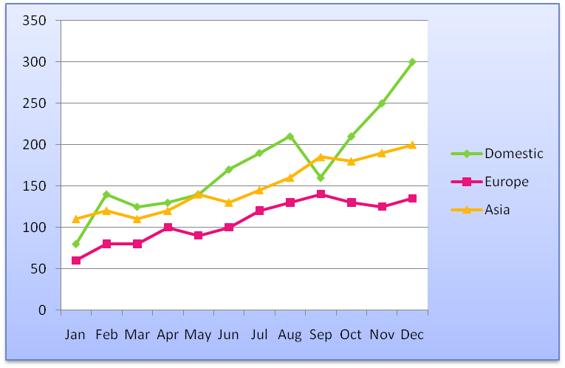
Total | 2,105 | 1,290 | 1,790 | 5,185
 |  |  |  |  | after highlighting data we either press f11 key to create a chart on new sheet or alt+f1 to stay on same sheet
% of Total | 40.6% | 24.9% | 34.5%

